Cover Sheet
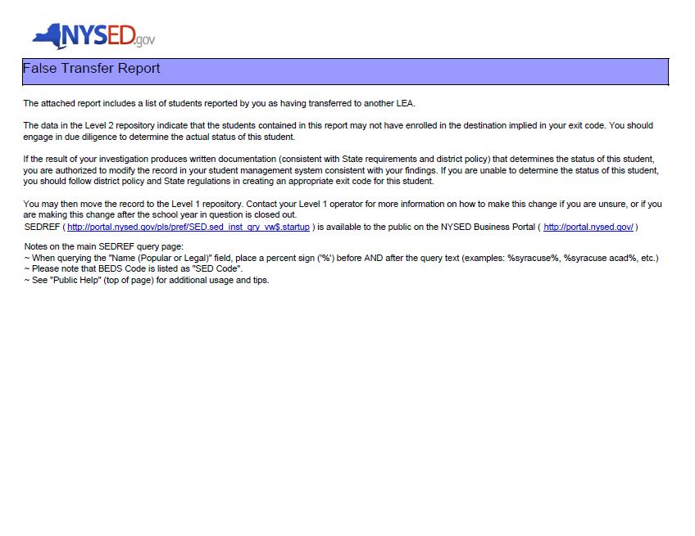
Link to SEDREF - http://portal.nysed.gov/pls/pref/SED.sed_inst_qry_vw$.startup
Link to NYSED Business Portal - http://portal.nysed.gov/

